Sheet1
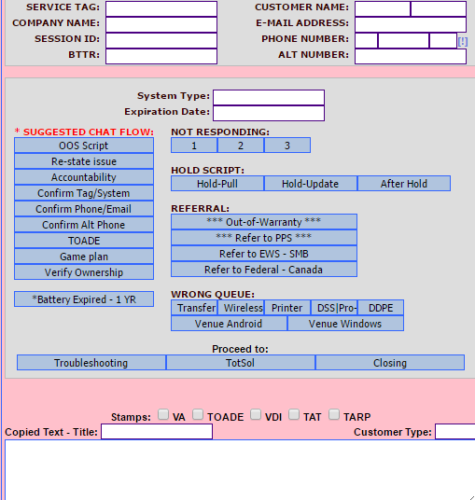
General Flow Opening | Description | NOT RESPONDING
Welcome | Welcome | There?
Issue ? | Is the issue is about. Is that correct? | 2
No Worries | Don’t worry | 1
In Warranty only | You chat has landed Basic Warranty Supports which supports all Hardware and Limited Software Support | 1
Tag? | Can you confirm if the system you would like to have support with.
Wrong Dept |  | Hold
TOADE | In case was we get disconnected | Review Info
Confirm contact? |  | Lactency
Verify Ownership |  | Check Sol?
VA Success |  | Hold Thank
VA Failed
Game Plan |  | Reffereal
 |  | OOW
 |  | ProSupport
 |  | Internationl Support
 |  | Customer Support

 | Can you share your system's service tag so that I can check if your request is in my scope of support .If not I will direct you to the concern team.

